TASKS-SHEET
 | KAVIN NARESH G R 2595 TRAINEE CONSULTANT ORACLE TECHNICAL
 | KAVINNARESH.RENGARAJ@CHAINSYS.COM
 | HTTPS://WWW.GITHUB.COM/KAVINKAVIN16/FUSION
 | TRAINER 1: ARUN
 | TRAINER 2: MOHAMMEDASIFKHANA

Task Date | Task Question | TASK Number | Completed On

16-Jun-2021 | Bi report for receivables module- RTF TEMPLATE | TASK1 | 21-Jun-21
17-Jun-2021 | OTBI report - Master details and Action Links-practice task | TASK2 | 18-Jun-21
21-Jun-2021 | Task 1 for multiple latyouts for all customer/suppliers for a module
 | (such as receivable,purchasing,PO,AP invoice module etc,. ). Using only a
 | parameter as BUSINESS_UNIT.Using Bi Publisher

23-Jun-2021 | Using task1 datamodel: create a single sheet template for all customer/supplier | TASK3 | 23-Jun-21
 | details for all BU's(hardcoded).Each page has a detail of Customer/Supplier detail

24-Jun-2021 | Create a multilayout EXCEL Report for the same datamodel. | TASK4 | 23-Jun-21
 | Each page has a detail of Customer/Supplier detail such as their details like
 | name, address, city,country, postalcode followed by this, a table should
 | consist of some meaningfull columns and data.(HINT: 1)use the rtf template loaded with data model)
 | for task1 and then click EXCEL preview in BI Publisher menu in MS Word. 2) Here we don't need to
 | create any template,simply use rtf template for task1 and then excel preview will generate output)

24-Jun-2021 | BURSTING | TASK5 | 27-Jun-21

25-Jun-2021 | Reports on multiple dependency parameters (not less than 5 params) | TASK6 | 28-Jun-21

25-Jun-2021 | Security Console | TASK7 | 28-Jun-21

28-Jun-2021 | Dynamic Logo Change based on customer. | TASK8
 | Customer Detail Repeat on each page if customer has more than one page
 | Page number based on each customer
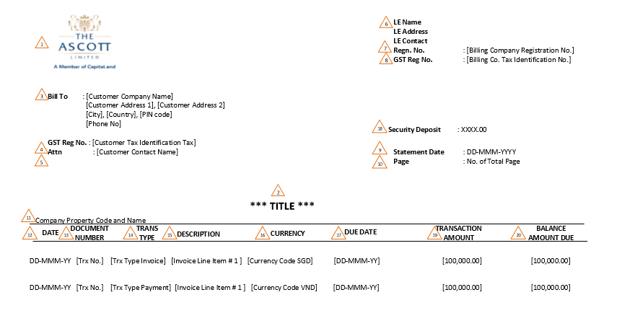

28-Jun-2021 | Records limit in each page RTF template | TASK9

28-Jun-2021 |  | TASK10

29-Jun-2021 | Sales Order Details | TASK 11

29-Jun-2021 | Purchase Order Details | TASK12

29-Jun-2021 | AR Aging Report | TASK13

29-Jun-2021 | AP Aging Report | TASK14

